TC_UI_05
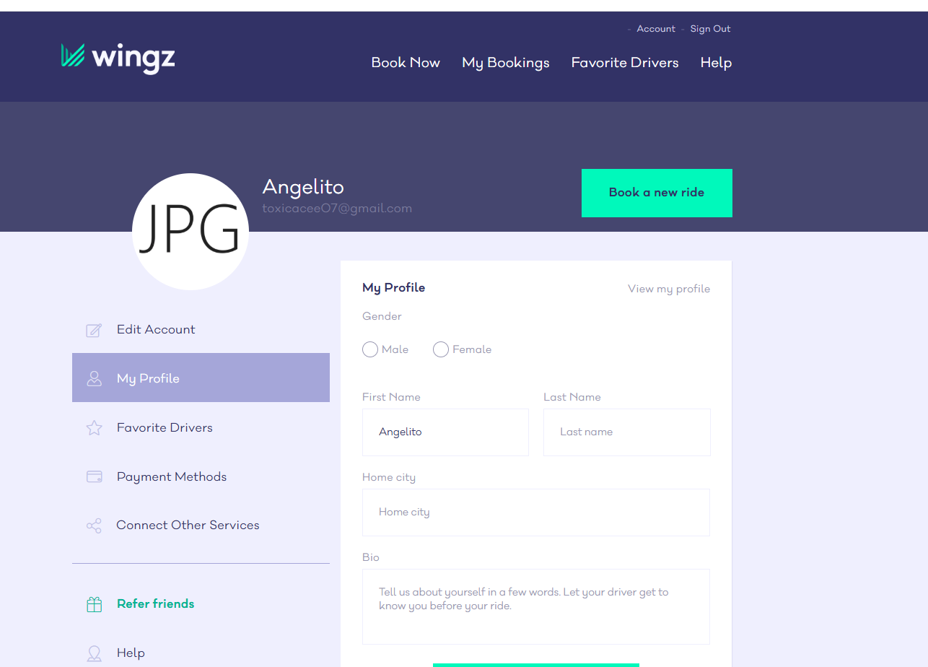
TC_UI_05
Title: Required field should have mark * or indicator
Steps to Reproduce: 1. The user must have an account to the website 2. The user must login to the web site 3. Under the Account, the user must click "My Profile tab"
Expected Result: The system should have indicator on the required field
Actual Result: The system did not have an indicator on the required field
Fail

Severity: Low, there's no need to fixed it immediately since it is just a minor issue.

TC_UI_04_Bug
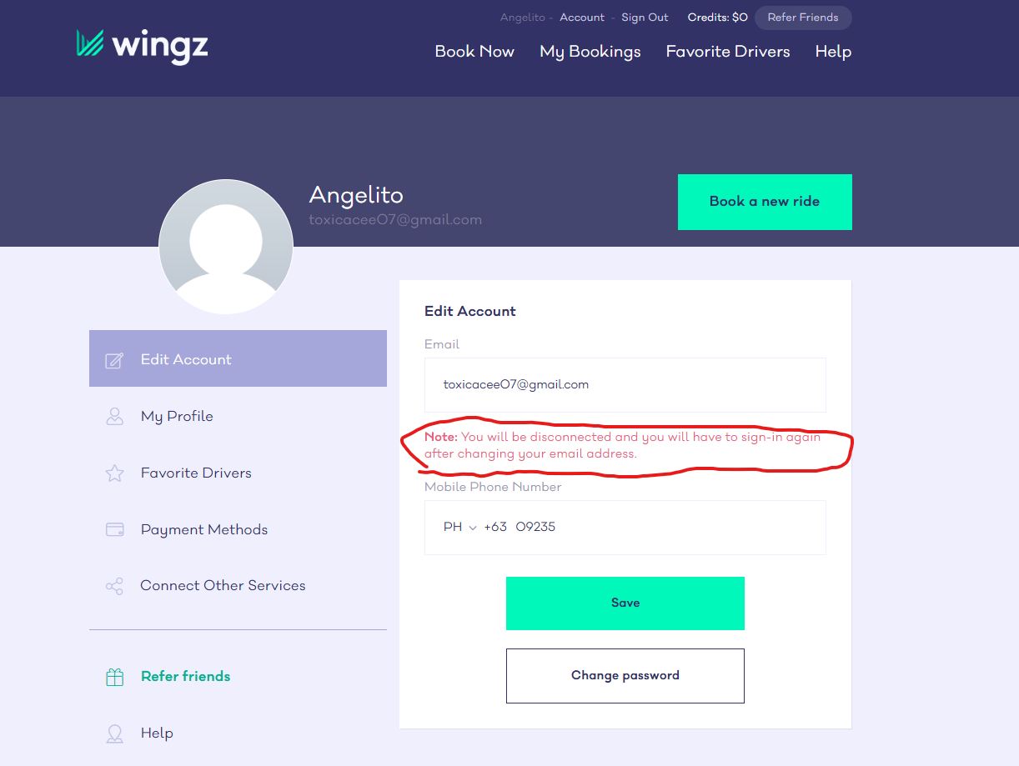
TC_UI_04
Title: Verify Error Message when Changing Phone number
Steps to Reproduce: 1. The user must have an account to the website 2. The user must login to the web site 3. Under the Account, the user must click the Edit Account
Expected Result: The system should include Mobile Phone Number Error Message
Actual Result: The system did not include Mobile Phone Number Error Message
Fail

Severity: Low, there's no need to fixed it immediately since it is just a minor issue.

TC_FUNC_03_bug
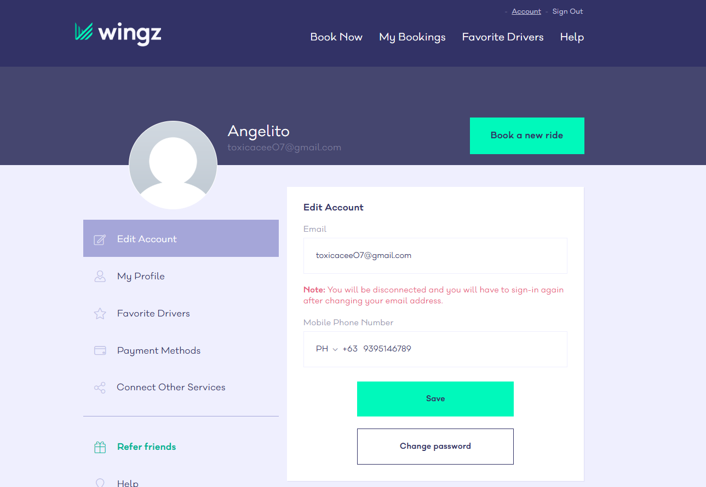
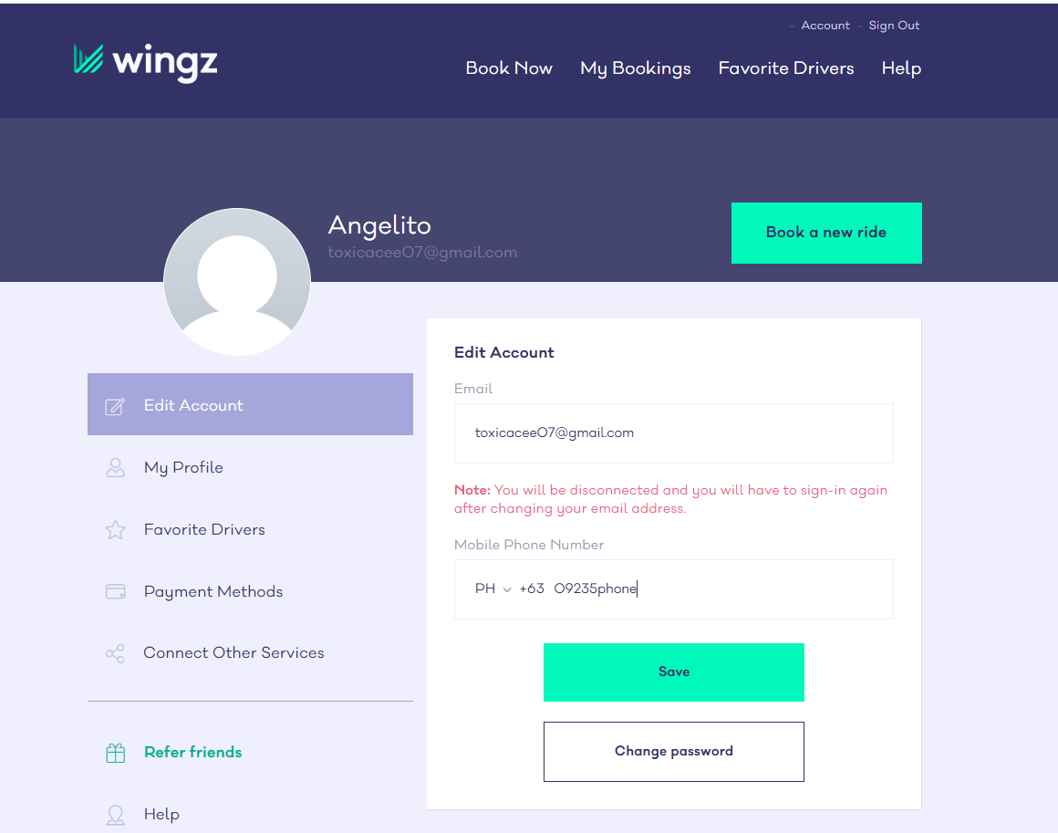

TC_FUNC_03
Title: The field is allowing the user to input character when the first input is number
Steps to Reproduce: 1. Login to the website 2. Under Account tab, click "edit my profile" 3. Click the mobile phone number field 4. Enter 09235phone
Expected Result: User should not be able to enter character in Mobile Phone Number field
Actual Result: The user is able to enter character when the first input is number and it is allowing it to saved
Fail

Severity: Low, it is just a minor issue, it does not affect functionality

 | Go to Account |  | The system is allowing it to be saved.
 |  | Under Edit Account, fill in the mobile phone number then click save

